Sheet1
 |  | Document No. | Issue No. | Issue Date |  | Review and Replace Date |  | Authorised By
 |  | GFF426MC | 2 | 13.12.2023 |  | 02.06.2025
 |  | Document Title | Gazebo-20 Chicken Samosa | 1500G- High Risk
 |  |  |  |  |  |  |  | Magda Shah
Document amendments reason for change |  | Blue bag -Supplier Changed | Page 1 of 1 |  | Previous Issue Date |  | 13.12.2023 | Uncontrolled copy unless signed original

PACK DAY + 1 YEAR
NON-MAP PACK
FCSAM-B20B | Gazebo (BULK-SNACKS) |  | 20 Chicken Samosa | 1500G
STEP 1 |  |  |  |  | STEP 2
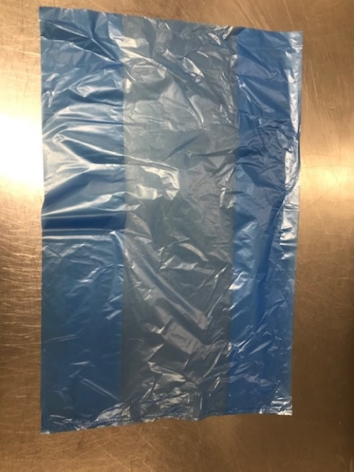 |  |  |  |  | 

Bag: 13 X20 X20 BLUE TINT BAGS -PKPMC001-02 |  |  |  |  | Chicken Samosa 75g (GFF004R): 20 Pieces (1500g)
STEP 3
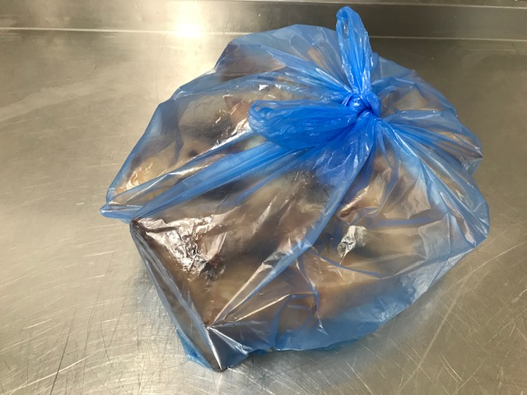

TOTAL WEIGHT: 1500g

ALLERGY ALERT: Wheat, Soya

